Reference Map
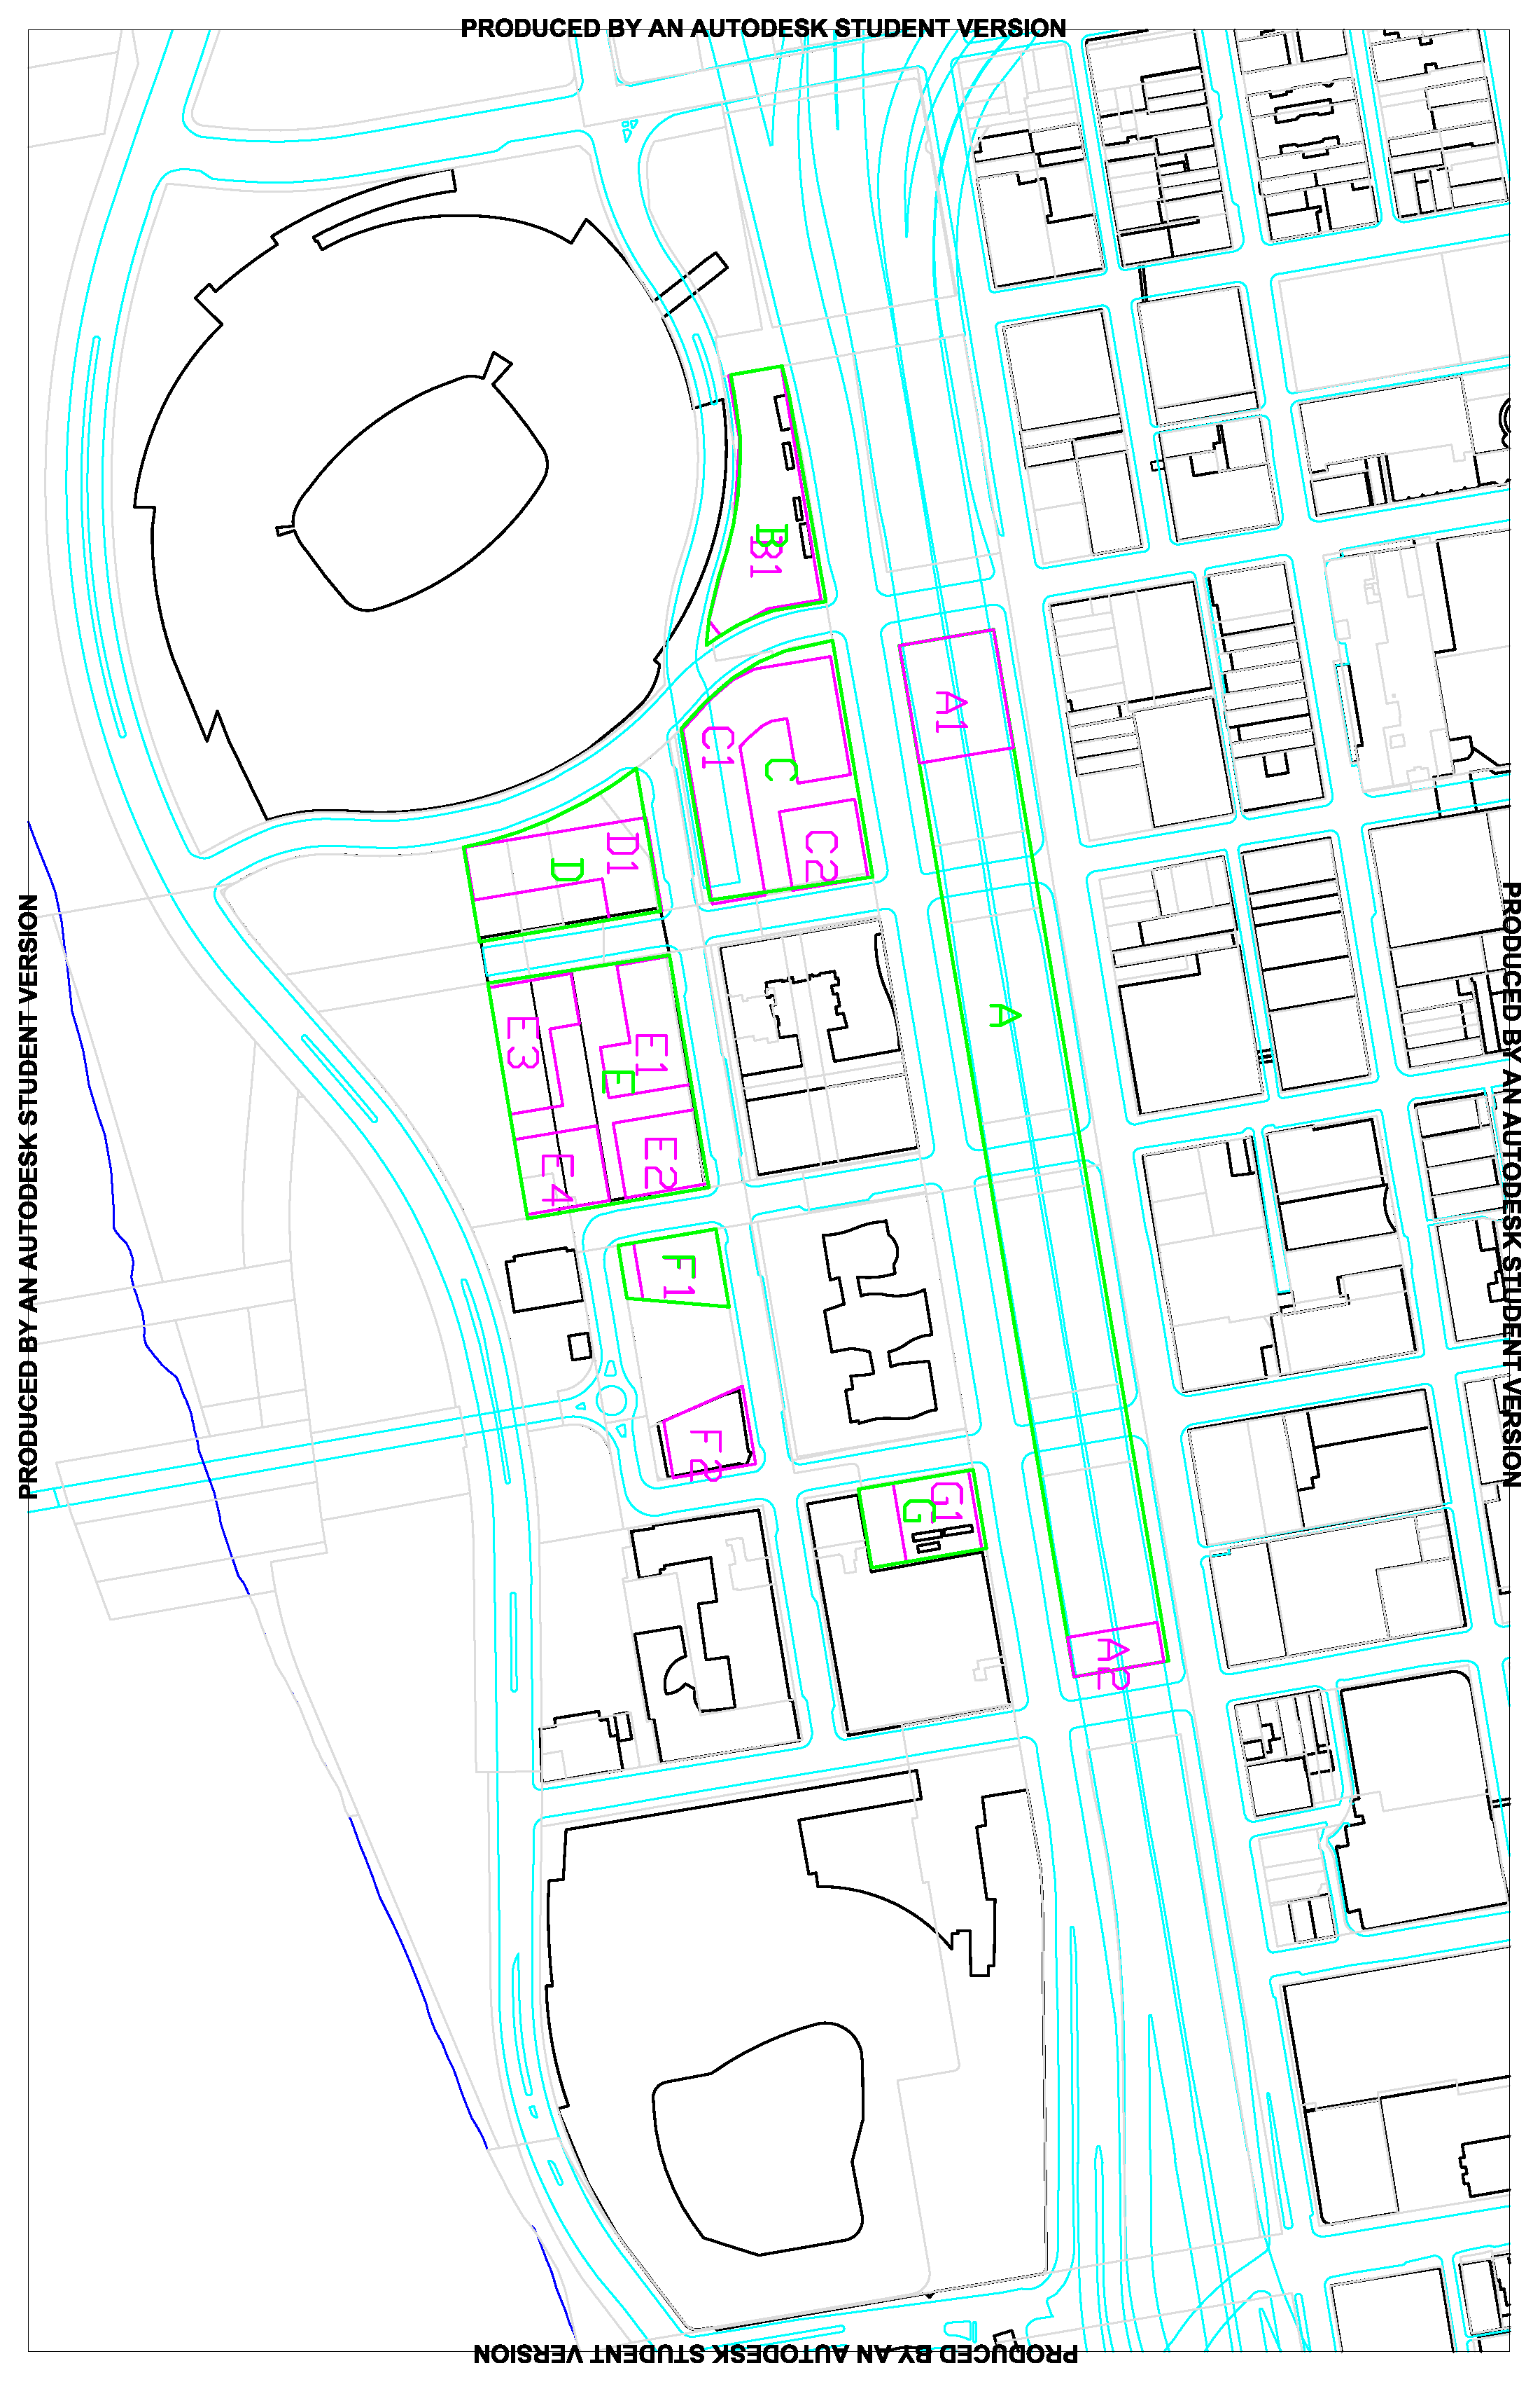

Parcel Footprint
Building Footprint

