Parcel_Pharse
 |  |  |  |  |  |  |  | Phare I |  |  | Phare II |  |  | Phare III
 | SF | Average Size | % sf | Total Unit | % unit |  |  | 2024 | 2025 | 2026 | 2027 | 2028 | 2029 | 2030 | 2031 | 2032 | 2033
Parcel I | 163,512 | 856 | 0% |  | 0% | Market-rate Rental | Market-rate Rental | - | - |  | 246 | 246 |  | 30 | 30
 |  | 900 | 100% | 182 | 100% | Affordable Rental Housing | Affordable Rental Housing | 91 | 91 |  | 46 | 46
 |  | 1,215 | 0% |  | 0% | Market-rate Sale | Market-rate Sale | 65 | 65 |  |  |  |  | 32 | 32
 |  |  | 100.2% | 182 |  |  | Office | 87,704 | 87,704 |  | 63,238 | 63,238 |  | 15,403 | 15,403
 | - |  |  |  |  | Office | Retail | 14,109 | 14,109 |  | 11,461 | 11,461 |  | 2,939 | 2,939
 | 11,749 |  |  |  |  | Retail | Community Space |  |  |  | 9,225 | 9,225
 |  |  |  | 120 |  | Parking - residential | Parking - residential | 224 |  |  | 452 |  |  | 124
 |  |  |  | - |  | Parking - office | Parking - office | 351 |  |  | 253 |  |  | 30
 |  |  |  | 20 |  | Parking - retail | Parking - retail | 47 |  |  | 46 |  |  | 9
 |  |  |  | 140 |  | total parking | Parking - community space |  |  |  | 18
 |  |  |  |  |  |  | Total Parking | 622 | - | - | 769 | - | - | 163 |  | - | -
Parcel II | 204,309 | 856 | 80% | 190 | 81% | Market-rate Rental
 |  | 900 | 20% | 46 | 19% | Affordable Rental Housing
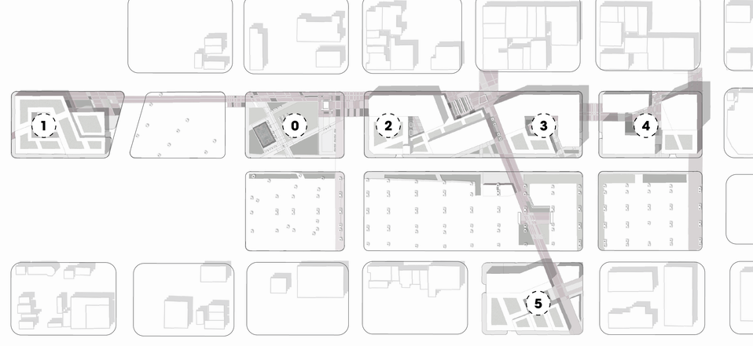
 |  | 1,215 | 0% |  | 0% | Market-rate Sale
 |  |  | 99.9% | 236
 | 126,476 |  |  |  |  | Office
 | 9,235 |  |  |  |  | Retail
 |  |  |  | 182 |  | Parking - residential
 |  |  |  | 253 |  | Parking - office
 |  |  |  | 15 |  | Parking - retail
 |  |  |  | 451 |  | total parking

Parcel III | 301,098 | 856 | 86% | 302 | 87% | Market-rate Rental
 |  | 900 | 14% | 46 | 13% | Affordable Rental Housing
 |  | 1,215 | 0% |  | 0% | Market-rate Sale
 |  |  | 99.6% | 348
 |  |  |  |  |  | Office
 | 13,686 |  |  |  |  | Retail
 | 18,449 |  |  |  |  | Community Space
 |  |  |  | 269 |  | Parking - residential
 |  |  |  |  |  | Parking - office
 |  |  |  | 31 |  | Parking - retail
 |  |  |  | 18 |  | Parking - community space
 |  |  |  | 318 |  | total parking

Parcel IV | 159,004 | 856 | 0% |  | 0% | Market-rate Rental
 |  | 900 | 0% |  | 0% | Affordable Rental Housing
 |  | 1,215 | 99% | 130 | 100% | Market-rate Sale
 |  |  | 99.3% | 130
 | 175,409 |  |  |  |  | Office
 | 16,469 |  |  |  |  | Retail
 |  |  |  | 104 |  | Parking - residential
 |  |  |  | 351 |  | Parking - office
 |  |  |  | 27 |  | Parking - retail
 |  |  |  | 482 |  | total parking

Parcel V | 128,480 | 856 | 40% | 60 | 46% | Market-rate Rental
 |  | 900 | 0% |  | 0% | Affordable Rental Housing
 |  | 1,215 | 61% | 64 | 49% | Market-rate Sale
 |  |  | 100.5% | 124
 | 30,806 |  |  |  |  | Office
 | 5,877 |  |  |  |  | Retail
 |  |  |  | 124 |  | Parking - residential
 |  |  |  | 30 |  | Parking - office
 |  |  |  | 9 |  | Parking - retail
 |  |  |  | 163 |  | total parking

 |  | %
Afforad rate | 274 | 27%
Market R | 552
Market S | 194
Afforard R | 274
office
retail
Parking - office | 586 | 48%
Parking - retail | 632
Total Parking | 1,554

Srrounding Parcel
Block | NO | Parcel# | Lot Size | Building Size | Land Use Code | Land Value |  | Improvements | New Construction | Total Market Value | Total Assessed Value | Total Taxable Value
A | 1 | 1-217-27-5 |  |  | 0300- Exempt Public Agency
 | 2 | 1-217-43 |  |  | 7310 - Condominium - residential live/work unit | 43212 | Residntial | 375780 |  |  |  | 418992
 | 3 | 1-217-18-4 |  |  | 0300- Exempt Public Agency |  |  |  |  |  |  | 0
 | 4 | 1-217-25-2 |  |  | 0300- Exempt Public Agency |  |  |  |  |  |  | 0
 | 5 | 1-217-24-2 |  |  | 0300- Exempt Public Agency |  |  |  |  |  |  | 0
 | 6 | 1-217-23-1 |  |  | 0300- Exempt Public Agency |  |  |  |  |  |  | 0
 | 7 | 1-217-23-3 |  |  |  |  |  |  |  |  |  | 0
 | 8 | 1-217-19-1 |  |  | 2500 - 2 units, lesser quality than 2200 or unknown legal | 281335 | Residntial | 184,461.00 |  |  |  | 465796
 | 9 | 1-217-20 |  |  | 2400 - Four living units; e.g. fourplex or triplex w/SFR | 39,674 |  | 173,793 |  |  |  | 213467
 | 10 | 1-217-21 |  |  | 1100 - Single family residential homes used as such | 184,635.00 |  | 803,836 |  |  |  | 988471
 | 11 | 1-217-22 |  |  | 2600 - 3 units, lesser quality than 2300 or unknown legal | 98,525 |  | 246,993 |  |  |  | 345518

B | 12 | 1-209-5 |  |  | 3200 - Store/Office with Apts/Lofts | 148,909 |  | 113,544 |  |  |  | 262453
 | 13 | 1-209-7 |  |  | 1100 - Single family residential homes used as such | 28,710 |  | 44,022 |  |  |  | 72732
 | 14 | 1-209-18 |  |  | 2200 - Double or duplex type - two units | 94,204 |  | 197,161.00 |  |  |  | 291365
 | 15 | 1-209-17 |  |  | 2600 - 3 units, lesser quality than 2300 or unknown legal | 19,479 |  | 7,021 |  |  |  | 26500
 | 16 | 1-209-16 |  |  | 3200 - Store/Office with Apts/Lofts | 175,000 |  | 405,000 |  |  |  | 580000
 | 17 | 1-209-8-1 |  |  | 8901 - SRO Hotel | 338,530 |  | 2,407,328 |  |  |  | 2745858
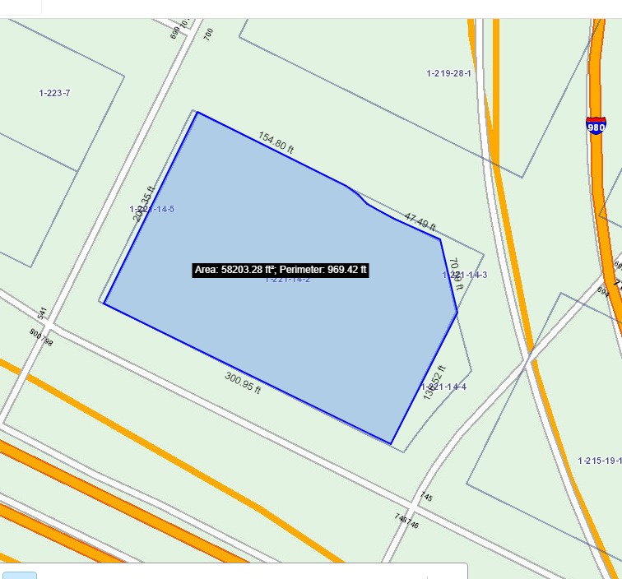
 | 18 | 1-209-9 |  |  | 8300 - parkging lot | 192,469 |  | 14,750 |  |  |  | 207219
 | 19 | 1-209-10 |  |  | 8300 - parkging lot | $1,475 |  | 56,820 |  |  |  | 58295
 | 20 | 1-209-11 |  |  | 8300 - parkging lot | 170,372 |  | 6,637 |  |  |  | 177009
 | 21 | 1-209-15 |  |  | 3100 - Single-tenant Retail Store | 274,355 |  | 640,162 |  |  |  | 914517
 | 22 | 1-209-14-1 |  |  | 3600 - Restaurant - small or in-line walk-in restaurant / café | 191,459 |  | 616,213 |  |  |  | 807672
 |  |  |  |  |  | 1,634,962 |  |  |  |  |  | 1634962

E |  | 1-221-14-2 |  |  | 3000- Vacant commercial land (may include misc. imps) | 2,873,469 |  |  |  |  |  | 2873469
 |  | 1-221-14-3 |  |  | 0300- Exempt Public Agency |  |  |  |  |  |  | 0
 |  | 1-221-14-4 |  |  | 7000- Vacant apartment land, capable of 5 or more units | 10,721 |  |  |  |  |  | 10721
 |  | 1-221-14-5 |  |  | 7000- Vacant apartment land, capable of 5 or more units | 10,721 |  |  |  |  |  | 10721
 |  |  |  |  |  | 2,894,911 |  |  |  |  |  | 2894911

G |  | 1-129-20 |  |  | 1150 - Historical residential
 |  | 1-129-21 |  |  | 3200- Store/Office with Apts/Lofts | 67,427 |  | 157,330 |  |  |  | 224757
 |  | 1-129-22 |  |  | 3200- Store/Office with Apts/Lofts | 298,862 |  | 711,086 |  |  |  | 1009948
 |  | 1-129-16 |  |  | 3200- Store/Office with Apts/Lofts | 203,063 |  | 493,153 |  |  |  | 696216
 |  | 1-129-17 |  |  | 3200- Store/Office with Apts/Lofts | 169,872 |  | 396,368 |  |  |  | 566240
 |  | 1-129-18 |  |  | 9400 - One to five story office building | 145,611 |  | 339,760 |  |  |  | 485371
 |  | 1-129-19 |  |  | 9401 - One to five story office building | 124,563 |  | 290,648 |  |  |  | 415211
 |  | 1-129-7-1 |  |  | 3200- Store/Office with Apts/Lofts | 409,595 |  | 2,227,223 |  |  |  | 2636818 | reuse?
 |  |  |  |  |  | 1,418,993 |  | 4,615,568 | 6,034,561

